Software Design
FUNCTIONS

VARIABLES

ARDUINO NANO + NRF24L01 Remote Control
PC -GUI

VIEW DATA PANEL
CONTROL PANEL
TRANSMITTER
RECEIVER

Vehicle Speed
Break Light Status
Gear Lin Position
Throttle
Front Break
readStartCMD
readE-StopCMD
readThrottleCMD
readCluthCMD
readGearCMD
readFrontBreakCMD
readRearBreakCMD
toArrayCMD
Engine Speed
Front Break Request
Clutch Lin Position
CONTROL CMD + Calibration
viewE-StopFlag
viewVehicleSpeed
viewEngineSpeed
viewBreakLightStatus
viewRearBreak_Req
viewRearBreak_Req
viewGearPosition
viewClutchStatus
viewTPSAngleandRPM
viewLinPositionClutch
viewLinPositionGear
viewLinPositionFrontBreak
viewLinPositionRearBreak
viewAliveCounterCAN- viewAliveCounterBike
viewAliveCounterRF1
viewAliveCounterRF2
0
100
0
100
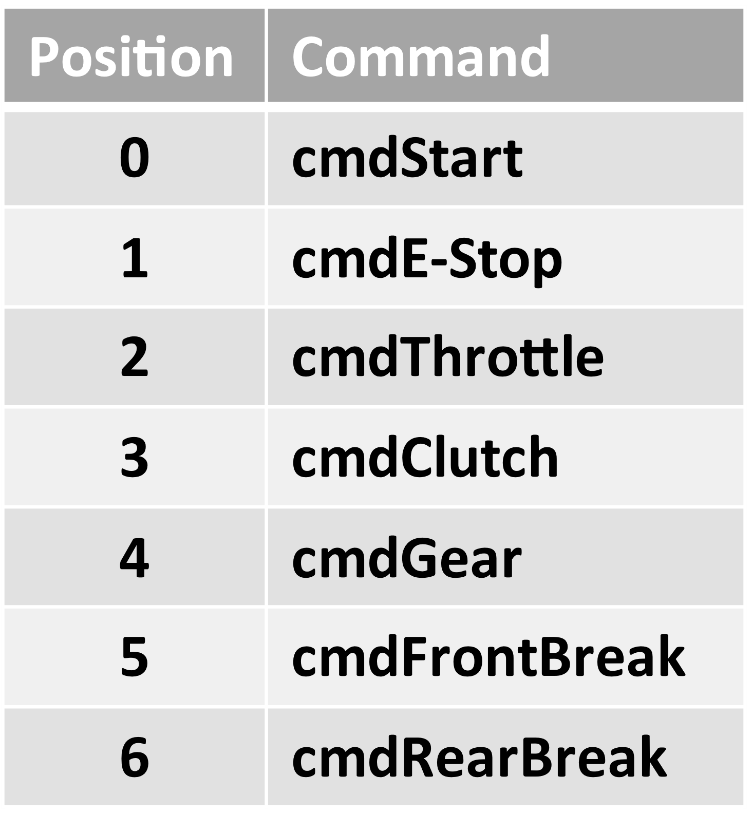
Gear Position
Rear Break Request
Front Break Position
Clutch Status
Rear Break
Clutch
Front Break Position
transmitToBike
recieveAndProcessFromBike
0
100
0
100
cmdRF
Gear
DATA to View
0 To 6
E -STOP [0-1]
readGearMaxOutput
readGearMinOutput
readGearNormalPosition
readThrottleMaxOutput
readThrottleMinOutput
readClucthMaxOutput
readClutchMinOutput
readRearBreakMaxOutput
readRearBreakMinOutput
readFrontBreakMaxOutput
readFrontBreakMinOutput
readThrottleMaxCmd
readThrottleMinCmd
readClucthMaxCmd
readClutchMinCmd
readRearBreakMaxCmd
readRearBreakMinCmd
readFrontBreakMaxCmd
readFrontBreakMinCmd

E-Stop Status
CAN Alive Status
Bike Alive Status
RF1 Alive Status
RF2 Alive Status
START [0-1]
toArrayCalibration

CALIBRATION

Gear Max Output
Clucth Max Output
Throttle Max Output
RearBreak Max Output
FrontBreak Max Output
Gear Min Output
Clutch Min Output
Throttle Min Output
RearBreak Min Output
FrontBreak Min Output
Gear Normal Position

Clucth Max cmd
Throttle Max cmd
RearBreak Max cmd
FrontBreak Max cmd

Clutch Min cmd
Throttle Min cmd
FrontBreak Min cmd
RearBreak Min cmd

aliveCounteRF1

DATA to View + aliveCounters

cmdRF + aliveCounters + Calibration

MAIN CONTROLLER ARDUINO PORTENTA

ARDUINO NANO + NRF24L01 Bike

Receive Data
Elaborate Data (Library)
Send Data
TRANSMITTER
RECEIVER

- cmdStart
- cmdE-Stop
- cmdThrottle
- cmdClutch
- cmdGear
- cmdRearBreak
- cmdFrontBreak
- aliveCounterRF1
- aliveCouinterRF2
- Calibration Data
- GearMaxOutput
- GearMinOutput
- GearNormalPosition
- ThrottleMaxOutput
- ThrottleMinOutput
- ClucthMaxOutput
- ClutchMinOutput
- RearBreakMaxOutput
- RearBreakMinOutput
- FrontBreakOutput
- FrontBreakMinOutput
- ThrottleMaxCmd
- ThrottleMinCmd
- ClucthMaxCmd
- ClutchMinCmd
- RearBreakMaxCmd
- RearBreakMinCmd
- FrontBreakMaxCmd
- FrontBreakMinCmd
- aliveCounterCAN
- aliveCounterRF2
- aliveCounterRF1
- cmdE-Stop
- e-StopFlag
- cmdE-StopThrottle
- cmdE-StopClutch
- cmdE-StopRearBreak
- cmdE-StopFrontBreak
outputThrottle1
outputThrottle2
sendToThrottle
e-StopFlag
dataCAN
actuatorsLinPos
aliveCounterCAN- aliveCounterBike
aliveCounterRF1
e-StopLogic

cmdRF + aliveCounters + Calibration
cmdRF
aliveCounterRF1
readFromMainController
transmitToRemoteControl
receiveFromRemoteControl
sendToMainController
readAndExtractRF
- e-StopFlag
- dataCAN
outputClutch
sendToClutch
killSwitchOnOff
killSwithFlag
aliveCounterRF2
aliveCounterRF2

DATA to View + aliveCounters

- e-StoFlag
- cmdE-StopThrottle
- cmdThrottle
- TPS Angle And RPM
- ThrottleMaxCmd
- ThrottleMinCmd
- ThrottleMaxOutput
- ThrottleMinOutput
outputGear
sendToGear
logicThrottle
outputThrottle1
outputThrottle2

outputFrontBreak
sendToFrontBreak

- e-StopFlag
- cmdE-StopClutch
- cmdClutch
- Clutch_Status
- linPositionClutch
- ClucthMaxOutput
- ClutchMinOutput
- ClucthMaxCmd
- ClutchMinCmd

readAndExtractCAN
logicClutch
outputClutch
outputRearBreak
sendToRearBreak

- e-StopFlag
- cmdGear
- Gear_Position
- linPositionGear
- GearMaxOutput
- GearMinOutput
- GearNormalPosition
killSwithFlag
sendToKillSwtich

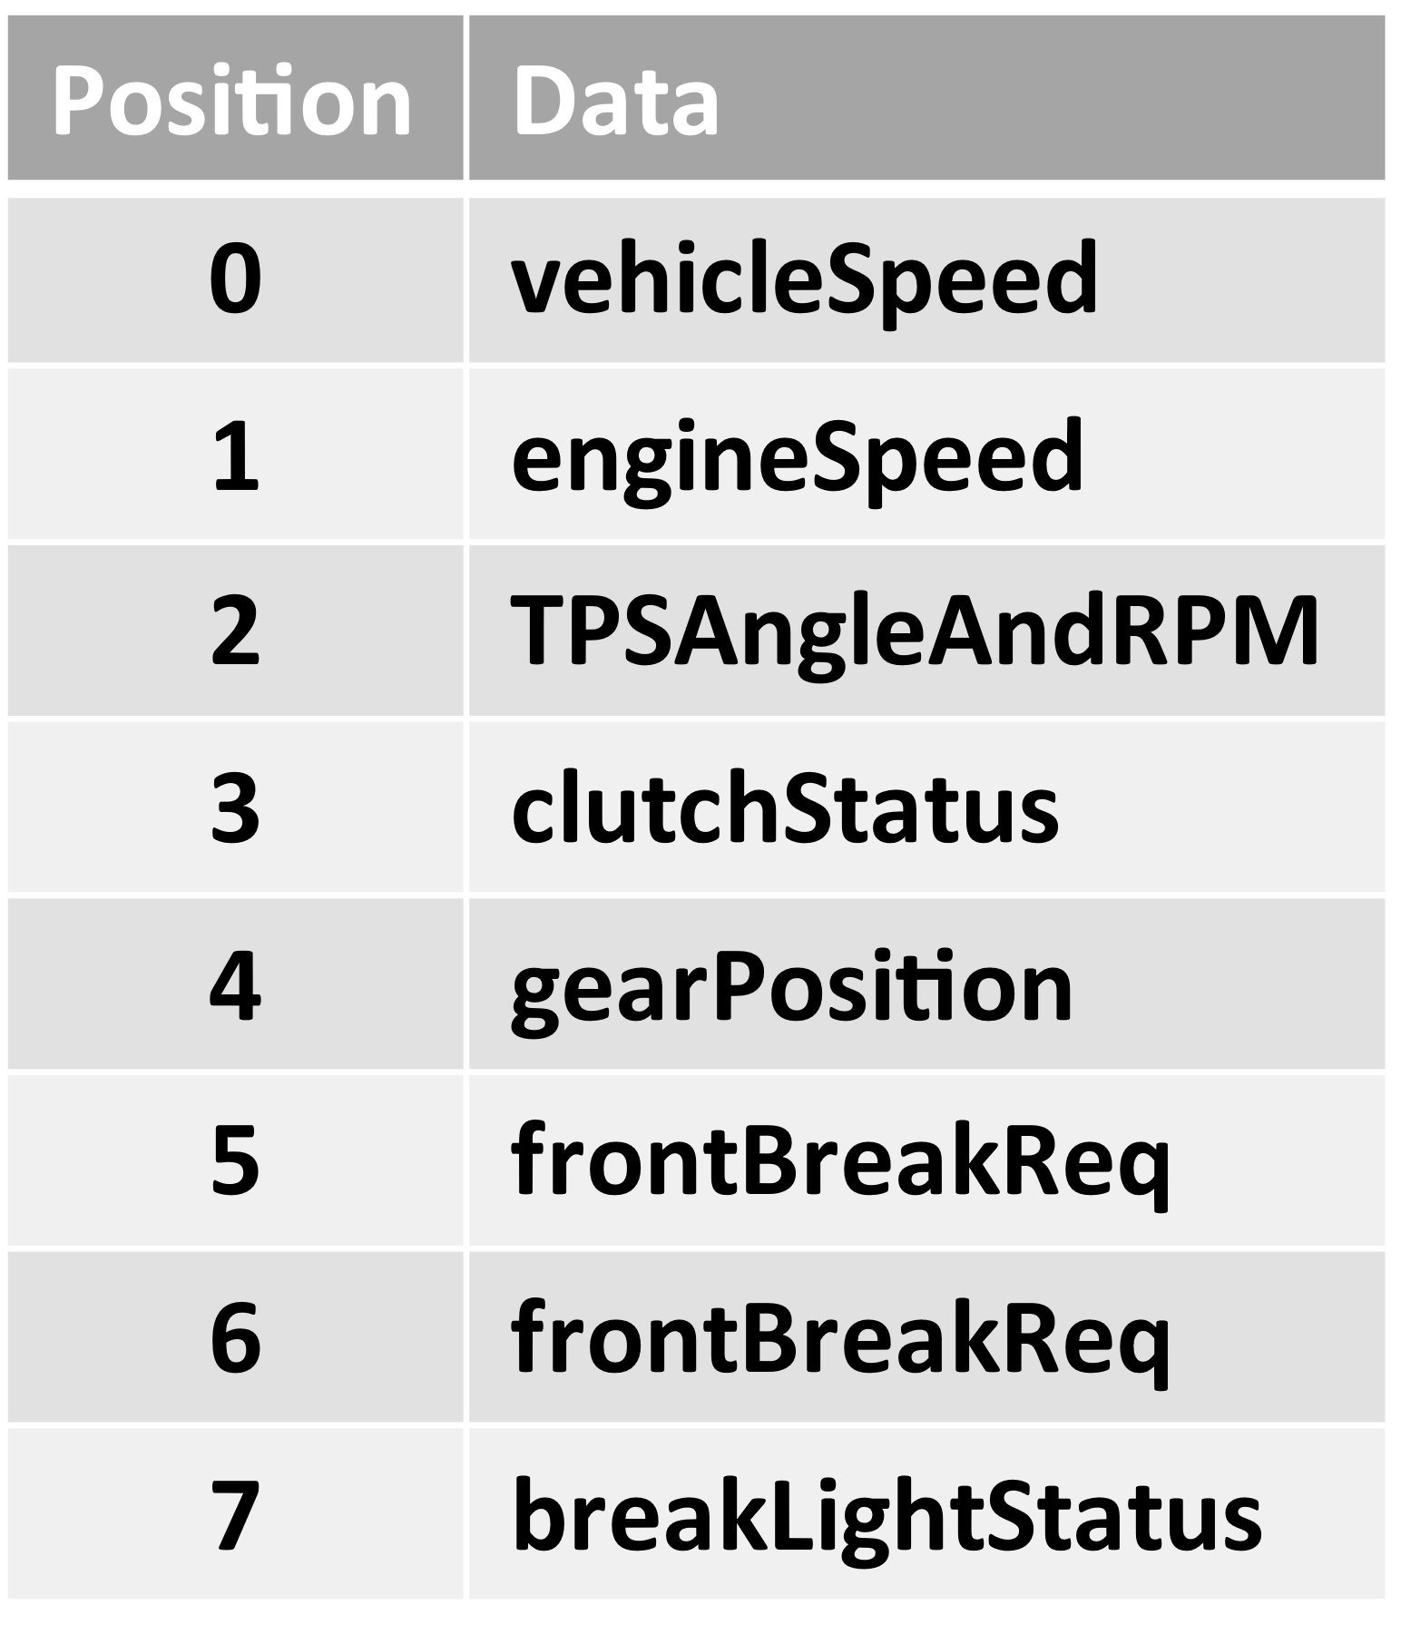
- BreakLightStatus
- Break_light_request_rear_break
- Break_light_request_front_break
- Gear_Position
- Clutch_Status
- Vehicle Speed
- Engine Speed
- TPS Angle and RPM
- datatCAN
- aliveCounterCAN
logicGear
outputGear

- e-StopFlag
- dataCAN
- actuatorsLinPos
- aliveCounterCAN
- aliveCounterBike
sendToRemoteControl

- e-StopFlag
- cmdE-StopRearBreak
- cmdFrontBreak
- BreakLightStatus
- Break_light_request_front_break
- linPositionFrontBreak
- FrontBreakMaxOutput
- FrontBreakMinOutput
- FrontBreakMaxCmd
- FrontBreakMinCmd

logicFrontBreak
outputFrontBreak

- e-StopFlag
- cmdE-StopFrontBreak
- cmdRearBreak
- BreakLightStatus
- Break_light_request_Rear_break
- linPositionRearBreak
- RearBreakMaxOutput
- RearBreakMinOutput
- RearBreakMaxCmd
- RearBreakMinCmd

- linPositionClutch
- linPositionGear
- linPositionFrontBreak
- linPositionRearBrea
logicRearBreak
outputRearBreak
readActuatorsFeedback

